Лист2
 | id bag | 8 1 | id v | LFA1
 | size |  | vendor
 | color
 | id v
8 | id cond

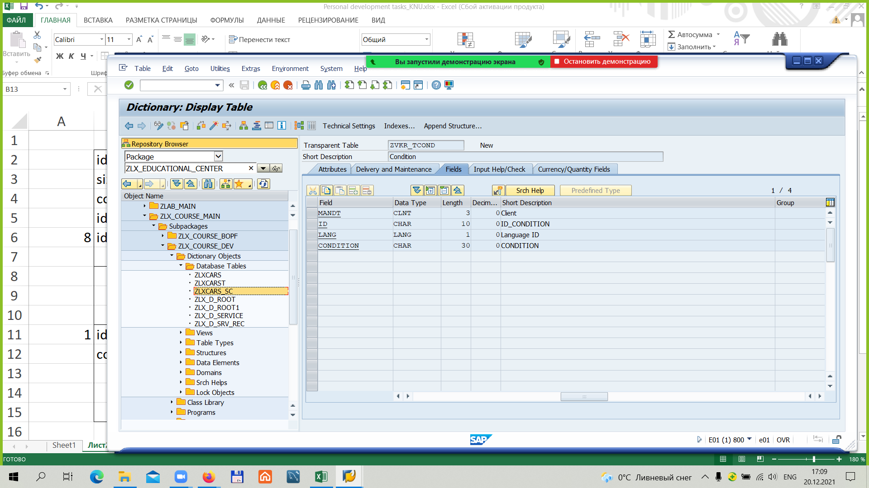

1 | id cond
 | cond

